Analysis
 | TOP CAR MODELS
Average of amount | Row Labels | Count of Column1 | Row Labels | Count of Column1 | State | Cars
₦4.0M | Acura | 43 | Akwa Ibom | 44 | Akwa Ibom | 44
 | Ford | 110 | Anambra | 21 | Anambra | 21
 | Honda | 291 | Delta | 26 | Delta | 26
Average of horse_power | Hyundai | 75 | Edo | 51 | Edo | 51
209 | Kia | 51 | Federal Capital Territory | 581 | Federal Capital Territory | 581
 | Lexus | 235 | Imo | 25 | Imo | 25
 | Mercedes-Benz | 201 | Kaduna | 40 | Kaduna | 40
Average of mileage | Nissan | 95 | Kwara | 63 | Kwara | 63
29K | Peugeot | 45 | Lagos | 1137 | Lagos | 1137
 | Toyota | 938 | Ogun | 52 | Ogun | 52
 | Volkswagen | 43 | Ondo | 36 | Ondo | 36
Average of engine_size | Grand Total | 2127 | Oyo | 220 | Oyo | 220
3.1K |  |  | Rivers | 78 | Rivers | 78
 | TOP 10 COLORS |  | Grand Total | 2374
 | Row Labels | Count of Column1
 | Beige | 14
 | Black | 621
 | Blue | 278 | Row Labels | Count of Column1
 | Brown | 38 | Automatic | 2214
 | Gold | 133 | Manual | 142
 | Gray | 409 | Grand Total | 2356
 | Green | 88
 | Red | 150
 | Silver | 397
 | White | 205
 | Grand Total | 2333

Dashboard
Nigerian Car Market
Visualized by iMalik99.

Average Vehicle Metrics: Nigerian Car Market

₦4.0M
29K
209
(hp)
3.1K
(km)
(cc)
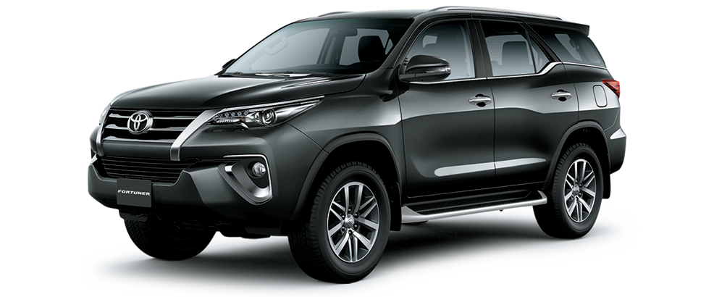
Location: Nigeria - Africa
Price
Mileage
Horse Power
Engine Size

 | Total
Acura | 43
Ford | 110
Honda | 291
Hyundai | 75
Kia | 51
Lexus | 235
Mercedes-Benz | 201
Nissan | 95
Peugeot | 45
Toyota | 938
Volkswagen | 43
Top 10 Most Popular Car Models in Nigeria

 | Total
Automatic | 2214
Manual | 142
Naija Drivers' choice: Automatic or Manual?
Which Color Wins? Top 10 Picks for Nigerian Cars
 | Total
Beige | 14
Black | 621
Blue | 278
Brown | 38
Gold | 133
Gray | 409
Green | 88
Red | 150
Silver | 397
White | 205

Insights on Pricing, mileage, and performance. Sourced from Cars45.com

